2026
ČSN EN 1254-7 | Velkoobchodní ceník tvarovek z mědi a jejích slitin |  |  |  | GUTPRESS V-profil /voda

 | ATV Praha s.r.o.
 | Sobotecká 2359/3, 101 00 Praha 10 - Vinohrady
 | Tel.: 270 005 492, 602 374 230
 | IČ: 04023854, DIČ: CZ04023854
 | objednavky@atvpraha.cz, www.atvpraha.cz
K uvedeným cenám je účtováno DPH.
Aktuální ceník naleznete https://www.atvpraha.cz/ceniky |  |  |  |  | brutto cenik | rabat % | kurz 1€=CZK
Rabat : | Stanoven indivuálně |  |  |  |  | 10.00 | 25.00
Obrázek tvarovky pojmenování tvarovky | Rozměr tvarovky | Číslo výrobku BESCO | Kusů v sáčku | Kusů v krabici | Brutto EUR | Netto EUR | Netto CZK
Spojka | (GP5270)
 | 12 x 12 | GP5270-12 | 10 | 180 | 2.22 | 2.00 | 49.95
 | 15 x 15 | GP5270-15 | 10 | 150 | 2.33 | 2.10 | 52.42
 | 18 x 18 | GP5270-18 | 10 | 120 | 2.85 | 2.57 | 64.13
 | 22 x 22 | GP5270-22 | 10 | 80 | 3.38 | 3.04 | 76.05
 | 28 x 28 | GP5270-28 | 10 | 60 | 6.58 | 5.92 | 148.05
 | 35 x 35 | GP5270-35 | 4 | 32 | 7.86 | 7.07 | 176.85
 | 42 x 42 | GP5270-42 | 4 | 16 | 14.34 | 12.91 | 322.65
 | 54 x 54 | GP5270-54 | 4 | 12 | 19.58 | 17.62 | 440.55
Spojka prodloužená | (GP5270S)
 | 12 x 12 | GP5270S-12 | 10 | 100 | 3.85 | 3.47 | 86.63
 | 15 x 15 | GP5270S-15 | 10 | 80 | 5.17 | 4.65 | 116.33
 | 18 x 18 | GP5270S-18 | 10 | 60 | 5.70 | 5.13 | 128.25
 | 22 x 22 | GP5270S-22 | 10 | 50 | 6.72 | 6.05 | 151.20
 | 28 x 28 | GP5270S-28 | 10 | 30 | 10.28 | 9.25 | 231.30
 | 35 x 35 | GP5270S-35 | 4 | 20 | 14.82 | 13.34 | 333.45
 | 42 x 42 | GP5270S-42 | 4 | 12 | 20.25 | 18.23 | 455.63
 | 54 x 54 | GP5270S-54 | 4 | 8 | 26.26 | 23.63 | 590.85
Oblouk 90° i/i | (GP5002)
 | 12 x 12 | GP5002-12 | 10 | 180 | 2.40 | 2.16 | 54.00
 | 15 x 15 | GP5002-15 | 10 | 120 | 2.47 | 2.22 | 55.57
 | 18 x 18 | GP5002-18 | 10 | 80 | 3.23 | 2.91 | 72.68
 | 22 x 22 | GP5002-22 | 10 | 50 | 4.28 | 3.85 | 96.30
 | 28 x 28 | GP5002-28 | 5 | 30 | 8.18 | 7.36 | 184.05
 | 35 x 35 | GP5002-35 | 2 | 16 | 15.49 | 13.94 | 348.53
 | 42 x 42 | GP5002-42 | 2 | 10 | 27.80 | 25.02 | 625.50
 | 54 x 54 | GP5002-54 | 2 | 6 | 43.84 | 39.46 | 986.40
Oblouk 90° i/a | (GP5001)
 | 12 x 12 | GP5001-12 | 10 | 180 | 2.33 | 2.10 | 52.42
 | 15 x 15 | GP5001-15 | 10 | 120 | 2.40 | 2.16 | 54.00
 | 18 x 18 | GP5001-18 | 10 | 80 | 3.23 | 2.91 | 72.68
 | 22 x 22 | GP5001-22 | 10 | 50 | 4.14 | 3.73 | 93.15
 | 28 x 28 | GP5001-28 | 5 | 30 | 8.79 | 7.91 | 197.77
 | 35 x 35 | GP5001-35 | 2 | 18 | 15.39 | 13.85 | 346.28
 | 42 x 42 | GP5001-42 | 2 | 10 | 28.28 | 25.45 | 636.30
 | 54 x 54 | GP5001-54 | 2 | 6 | 44.68 | 40.21 | 1,005.30
Koleno 45° i/a | (GP5041)
 | 12 x 12 | GP5041-12 | 10 | 250 | 2.65 | 2.39 | 59.62
 | 15 x 15 | GP5041-15 | 10 | 120 | 2.68 | 2.41 | 60.30
 | 18 x 18 | GP5041-18 | 10 | 100 | 3.10 | 2.79 | 69.75
 | 22 x 22 | GP5041-22 | 10 | 60 | 3.75 | 3.38 | 84.38
 | 28 x 28 | GP5041-28 | 5 | 40 | 9.12 | 8.21 | 205.20
 | 35 x 35 | GP5041-35 | 4 | 20 | 15.01 | 13.51 | 337.73
 | 42 x 42 | GP5041-42 | 2 | 12 | 25.24 | 22.72 | 567.90
 | 54 x 54 | GP5041-54 | 2 | 8 | 37.00 | 33.30 | 832.50
Bogen 45° i/a | (GP5040)
 | 12 x 12 | GP5040-12 | 10 | 250 | 2.26 | 2.03 | 50.85
 | 15 x 15 | GP5040-15 | 10 | 120 | 2.33 | 2.10 | 52.42
 | 18 x 18 | GP5040-18 | 10 | 100 | 3.10 | 2.79 | 69.75
 | 22 x 22 | GP5040-22 | 10 | 60 | 3.48 | 3.13 | 78.30
 | 28 x 28 | GP5040-28 | 5 | 40 | 9.12 | 8.21 | 205.20
 | 35 x 35 | GP5040-35 | 4 | 20 | 14.71 | 13.24 | 330.97
 | 42 x 42 | GP5040-42 | 5 | 15 | 24.57 | 22.11 | 552.83
 | 54 x 54 | GP5040-54 | 2 | 8 | 36.81 | 33.13 | 828.22
Redukovaná spojka | (GP5240)
 | 15 x 12 | GP5240-15.12 | 10 | 160 | 3.03 | 2.73 | 68.18
 | 16 x 15 | GP5240-16.15 | 10 | 120 | 4.03 | 3.63 | 90.67
 | 18 x 15 | GP5240-18.15 | 10 | 120 | 3.89 | 3.50 | 87.52
 | 22 x 15 | GP5240-22.15 | 10 | 100 | 8.18 | 7.36 | 184.05
 | 22 x 18 | GP5240-22.18 | 10 | 100 | 7.80 | 7.02 | 175.50
 | 28 x 15 | GP5240-28.15 | 10 | 80 | 9.53 | 8.58 | 214.43
 | 28 x 18 | GP5240-28.18 | 10 | 80 | 9.56 | 8.60 | 215.10
 | 28 x 22 | GP5240-28.22 | 10 | 60 | 9.60 | 8.64 | 216.00
 | 35 x 22 | GP5240-35.22 | 4 | 40 | 14.34 | 12.91 | 322.65
 | 35 x 28 | GP5240-35.28 | 4 | 40 | 14.26 | 12.83 | 320.85
 | 35 x 35 | GP5240-35.35 | 4 | 20 | 16.86 | 15.17 | 379.35
 | 42 x 35 | GP5240-42.35 | 4 | 28 | 21.02 | 18.92 | 472.95
 | 54 x 42 | GP5240-54.42 | 2 | 12 | 23.53 | 21.18 | 529.43
Redukce | (GP5243)
 | 15 x 12 | GP5243-15.12 | 10 | 200 | 2.30 | 2.07 | 51.75
 | 18 x 12 | GP5243-18.12 | 10 | 200 | 2.47 | 2.22 | 55.57
 | 18 x 15 | GP5243-18.15 | 10 | 120 | 2.30 | 2.07 | 51.75
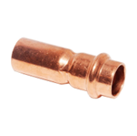
 | 22 x 15 | GP5243-22.15 | 10 | 100 | 2.47 | 2.22 | 55.57
 | 22 x 18 | GP5243-22.18 | 10 | 100 | 2.82 | 2.54 | 63.45
 | 28 x 15 | GP5243-28.15 | 10 | 80 | 5.97 | 5.37 | 134.33
 | 28 x 18 | GP5243-28.18 | 10 | 80 | 6.60 | 5.94 | 148.50
 | 28 x 22 | GP5243-28.22 | 10 | 60 | 6.28 | 5.65 | 141.30
 | 35 x 15 | GP5243-35.15 | 4 | 40 | 7.35 | 6.62 | 165.38
 | 35 x 18 | GP5243-35.18 | 4 | 40 | 7.35 | 6.62 | 165.38
 | 35 x 22 | GP5243-35.22 | 4 | 40 | 7.35 | 6.62 | 165.38
 | 35 x 28 | GP5243-35.28 | 4 | 40 | 8.00 | 7.20 | 180.00
 | 42 x 22 | GP5243-42.22 | 4 | 32 | 13.66 | 12.29 | 307.35
 | 42 x 28 | GP5243-42.28 | 4 | 32 | 12.79 | 11.51 | 287.78
 | 42 x 35 | GP5243-42.35 | 4 | 32 | 12.98 | 11.68 | 292.05
 | 54 x 28 | GP5243-54.28 | 2 | 12 | 18.30 | 16.47 | 411.75
 | 54 x 35 | GP5243-54.35 | 2 | 12 | 18.17 | 16.35 | 408.83
 | 54 x 42 | GP5243-54.42 | 2 | 12 | 17.40 | 15.66 | 391.50
T-kus | (GP5130)
 | 12 x 12 x 12 | GP5130-12 | 10 | 100 | 4.10 | 3.69 | 92.25
 | 15 x 15 x 15 | GP5130-15 | 10 | 60 | 4.24 | 3.82 | 95.40
 | 18 x 18 x 18 | GP5130-18 | 10 | 50 | 5.32 | 4.79 | 119.70
 | 22 x 22 x 22 | GP5130-22 | 10 | 30 | 7.26 | 6.53 | 163.35
 | 28 x 28 x 28 | GP5130-28 | 4 | 20 | 11.85 | 10.67 | 266.63
 | 35 x 35 x 35 | GP5130-35 | 2 | 12 | 19.23 | 17.31 | 432.68
 | 42 x 42 x 42 | GP5130-42 | 2 | 8 | 36.13 | 32.52 | 812.93
 | 54 x 54 x 54 | GP5130-54 | 1 | 5 | 48.29 | 43.46 | 1,086.52
T-kus redukovaný | (GP5130)
 | 15 x 12 x 15 | GP5130-15.12.15 | 10 | 60 | 5.33 | 4.80 | 119.93
 | 15 x 18 x 15 | GP5130-15.18.15 | 10 | 60 | 9.61 | 8.65 | 216.22
 | 15 x 22 x 15 | GP5130-15.22.15 | 10 | 40 | 12.08 | 10.87 | 271.80
 | 18 x 12 x 18 | GP5130-18.12.18 | 10 | 50 | 6.97 | 6.27 | 156.83
 | 18 x 15 x 15 | GP5130-18.15.15 | 10 | 60 | 8.51 | 7.66 | 191.48
 | 18 x 15 x 18 | GP5130-18.15.18 | 10 | 60 | 5.65 | 5.09 | 127.13
 | 18 x 18 x 15 | GP5130-18.18.15 | 10 | 60 | 8.51 | 7.66 | 191.48
 | 22 x 15 x 15 | GP5130-22.15.15 | 10 | 40 | 10.02 | 9.02 | 225.45
 | 22 x 15 x 18 | GP5130-22.15.18 | 10 | 40 | 11.76 | 10.58 | 264.60
 | 22 x 15 x 22 | GP5130-22.15.22 | 10 | 40 | 6.61 | 5.95 | 148.73
 | 22 x 18 x 18 | GP5130-22.18.18 |  |  | 6.61 | 5.95 | 148.73
 | 22 x 18 x 22 | GP5130-22.18.22 | 10 | 40 | 8.01 | 7.21 | 180.23
 | 22 x 22 x 15 | GP5130-22.22.15 | 10 | 40 | 10.47 | 9.42 | 235.58
 | 28 x 15 x 28 | GP5130-28.15.28 | 10 | 30 | 12.68 | 11.41 | 285.30
 | 28 x 18 x 28 | GP5130-28.18.28 | 10 | 30 | 14.47 | 13.02 | 325.58
 | 28 x 22 x 22 | GP5130-28.22.22 | 5 | 20 | 16.88 | 15.19 | 379.80
 | 28 x 22 x 28 | GP5130-28.22.28 | 5 | 25 | 13.45 | 12.11 | 302.63
 | 28 x 28 x 22 | GP5130-28.28.22 | 5 | 20 | 20.71 | 18.64 | 465.98
 | 35 x 15 x 35 | GP5130-35.15.35 | 4 | 20 | 18.14 | 16.33 | 408.15
 | 35 x 18 x 35 | GP5130-35.18.35 | 4 | 20 | 17.98 | 16.18 | 404.55
 | 35 x 22 x 35 | GP5130-35.22.35 | 4 | 20 | 17.88 | 16.09 | 402.30
 | 35 x 28 x 35 | GP5130-35.28.35 | 4 | 16 | 18.18 | 16.36 | 409.05
 | 42 x 15 x 42 | GP5130-42.15.42 | 4 | 12 | 32.82 | 29.54 | 738.45
 | 42 x 22 x 42 | GP5130-42.22.42 | 4 | 12 | 32.58 | 29.32 | 733.05
 | 42 x 28 x 42 | GP5130-42.28.42 | 4 | 8 | 35.20 | 31.68 | 792.00
 | 42 x 35 x 42 | GP5130-42.35.42 | 2 | 10 | 35.57 | 32.01 | 800.32
 | 54 x 22 x 54 | GP5130-54.22.54 | 1 | 8 | 44.69 | 40.22 | 1,005.52
 | 54 x 28 x 54 | GP5130-54.28.54 | 1 | 8 | 48.46 | 43.61 | 1,090.35
 | 54 x 35 x 54 | GP5130-54.35.54 | 1 | 8 | 50.99 | 45.89 | 1,147.27
 | 54 x 42 x 42 | GP5130-54.42.42 | 1 | 6 | 58.44 | 52.60 | 1,314.90
 | 54 x 42 x 54 | GP5130-54.42.54 | 1 | 5 | 55.63 | 50.07 | 1,251.68
Víčko | (GP5301)
 | 12 x 12 | GP5301-12 | 10 | 350 | 3.42 | 3.08 | 76.95
 | 15 x 15 | GP5301-15 | 10 | 300 | 4.44 | 4.00 | 99.90
 | 18 x 18 | GP5301-18 | 10 | 200 | 5.51 | 4.96 | 123.98
 | 22 x 22 | GP5301-22 | 10 | 150 | 7.45 | 6.71 | 167.63
 | 28 x 28 | GP5301-28 | 10 | 100 | 12.78 | 11.50 | 287.55
 | 35 x 35 | GP5301-35 | 5 | 60 | 14.67 | 13.20 | 330.08
 | 42 x 42 | GP5301-42 | 5 | 35 | 20.82 | 18.74 | 468.45
 | 54 x 54 | GP5301-54 | 5 | 20 | 24.57 | 22.11 | 552.83
Nadoblouk i/i | (GP5085)
 | 15 x 15 | GP5085-15 | 10 | 40 | 8.33 | 7.50 | 187.43
 | 18 x 18 | GP5085-18 | 10 | 30 | 13.90 | 12.51 | 312.75
 | 22 x 22 | GP5085-22 | 10 | 20 | 16.90 | 15.21 | 380.25
Nadoblouk i/a | (GP5086)
 | 15 x 15 | GP5086-15 | 10 | 40 | 6.47 | 5.82 | 145.58
 | 18 x 18 | GP5086-18 | 10 | 30 | 9.47 | 8.52 | 213.08
 | 22 x 22 | GP5086-22 | 10 | 20 | 11.18 | 10.06 | 251.55
Oblouk 90° i | (GP4090)
 | 15 x 1/2 | GP4090-1512 | 10 | 150 | 8.15 | 7.34 | 183.38
 | 15 x 3/4 | GP4090-1534 | 10 | 80 | 14.25 | 12.83 | 320.63
 | 18 x 1/2 | GP4090-1812 | 10 | 150 | 9.60 | 8.64 | 216.00
 | 18 x 3/4 | GP4090-1834 | 10 | 120 | 10.94 | 9.85 | 246.15
 | 22 x 1/2 | GP4090-2212 | 10 | 120 | 15.90 | 14.31 | 357.75
 | 22 x 3/4 | GP4090-2234 | 10 | 100 | 12.32 | 11.09 | 277.20
 | 22 x 1 | GP4090-221 | 10 | 80 | 20.68 | 18.61 | 465.30
 | 28 x 1 | GP4090-281 | 5 | 60 | 20.52 | 18.47 | 461.70
 | 35 x 1 1/4 | GP4090-35114 | 2 | 40 | 38.54 | 34.69 | 867.15
 | 42 x 1 1/2 | GP4090-42112 | 2 | 22 | 49.79 | 44.81 | 1,120.28
 | 54 x 2 | GP4090-542 | 2 | 18 | 79.24 | 71.32 | 1,782.90
Oblouk 90° a | (GP4092)
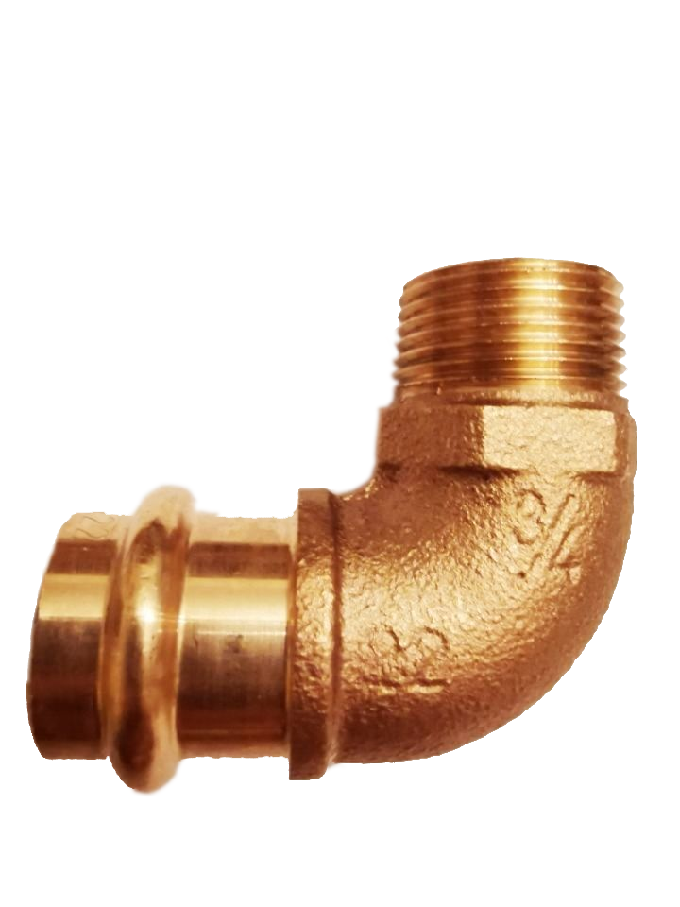
 | 15 x 1/2 | GP4092-1512 | 10 | 120 | 8.85 | 7.97 | 199.13
 | 18 x 1/2 | GP4092-1812 | 10 | 80 | 10.35 | 9.32 | 232.88
 | 18 x 3/4 | GP4092-1834 | 10 | 80 | 10.92 | 9.83 | 245.70
 | 22 x 1/2 | GP4092-2212 | 10 | 80 | 26.50 | 23.85 | 596.25
 | 22 x 3/4 | GP4092-2234 | 10 | 80 | 15.60 | 14.04 | 351.00
 | 22 x 1 | GP4092-2210 | 10 | 80 | 21.64 | 19.48 | 486.90
 | 28 x 1 | GP4092-2810 | 5 | 40 | 27.00 | 24.30 | 607.50
 | 35 x 1 1/4 | GP4092-35114 | 2 | 24 | 42.22 | 38.00 | 949.95
 | 42 x 1 1/2 | GP4092-42112 | 2 | 12 | 57.69 | 51.92 | 1,298.03
 | 54 x 2 | GP4092-542 | 2 | 8 | 83.75 | 75.38 | 1,884.38
Nástěnka | (GP4471)
 | 15 x 1/2 | GP4471-1512 | 10 | 80 | 9.24 | 8.32 | 207.90
 | 18 x 1/2 | GP4471-1812 | 10 | 80 | 14.58 | 13.12 | 328.05
 | 22 x 3/4 | GP4471-2234 | 10 | 30 | 16.99 | 15.29 | 382.28

Spojka i | (GP4270)
 | 15 x 3/8 | GP4270-1538 |  |  | 5.00 | 4.50 | 112.50
 | 15 x 1/2 | GP4270-1512 | 10 | 120 | 3.58 | 3.22 | 80.55
 | 15 x 3/4 | GP4270-1534 | 10 | 100 | 7.90 | 7.11 | 177.75
 | 18 x 1/2 | GP4270-1812 | 10 | 100 | 5.01 | 4.51 | 112.73
 | 18 x 3/4 | GP4270-1834 | 10 | 100 | 6.85 | 6.17 | 154.13
 | 22 x 1/2 | GP4270-2212 | 10 | 100 | 5.83 | 5.25 | 131.18
 | 22 x 3/4 | GP4270-2234 | 10 | 100 | 5.58 | 5.02 | 125.55
 | 22 x 1 | GP4270-221 | 10 | 100 | 8.78 | 7.90 | 197.55
 | 28 x 3/4 | GP4270-2834 | 5 | 60 | 10.50 | 9.45 | 236.25
 | 28 x 1 | GP4270-281 | 5 | 100 | 9.62 | 8.66 | 216.45
 | 28 x 1 1/4 | GP4270-28114 | 5 | 50 | 21.67 | 19.50 | 487.58
 | 35 x 1 | GP4270-351 | 5 | 40 | 12.22 | 11.00 | 274.95
 | 35 x 1 1/4 | GP4270-35114 | 5 | 40 | 24.11 | 21.70 | 542.48
 | 42 x 1 1/4 | GP4270-42114 | 1 | 20 | 26.69 | 24.02 | 600.53
 | 42 x 1 1/2 | GP4270-42112 | 1 | 20 | 34.34 | 30.91 | 772.65
 | 54 x 2 | GP4270-542 | 1 | 12 | 60.02 | 54.02 | 1,350.45
Spojka a | (GP4243)
 | 15 x 3/8 | GP4243-1538 |  |  | 5.80 | 5.22 | 130.50
 | 15 x 1/2 | GP4243-1512 | 10 | 150 | 2.86 | 2.57 | 64.35
 | 15 x 3/4 | GP4243-1534 | 10 | 100 | 4.47 | 4.02 | 100.57
 | 18 x 1/2 | GP4243-1812 | 10 | 100 | 3.86 | 3.47 | 86.85
 | 18 x 3/4 | GP4243-1834 | 10 | 100 | 4.65 | 4.19 | 104.62
 | 22 x 1/2 | GP4243-2212 | 10 | 100 | 6.11 | 5.50 | 137.48
 | 22 x 3/4 | GP4243-2234 | 10 | 80 | 5.26 | 4.73 | 118.35
 | 22 x 1 | GP4243-221 | 10 | 60 | 8.18 | 7.36 | 184.05
 | 28 x 3/4 | GP4243-2834 | 10 | 60 | 10.50 | 9.45 | 236.25
 | 28 x 1 | GP4243-281 | 5 | 80 | 9.65 | 8.69 | 217.13
 | 28 x 1 1/4" | GP4243-28114 | 5 | 60 | 18.30 | 16.47 | 411.75
 | 35 x 1 | GP4243-351 | 5 | 80 | 18.15 | 16.34 | 408.38
 | 35 x 1 1/4 | GP4243-35114 | 1 | 60 | 21.99 | 19.79 | 494.78
 | 42 x 1 1/4 | GP4243-42114 | 1 | 20 | 29.52 | 26.57 | 664.20
 | 42 x 1 1/2 | GP4243-42112 | 1 | 20 | 30.20 | 27.18 | 679.50
 | 54 x 2 | GP4243-542 | 1 | 10 | 51.04 | 45.94 | 1,148.40
T - kus | (GP4130)
 | 15 x 1/2 x 15 | GP4130-151215 | 5 | 120 | 10.14 | 9.13 | 228.15
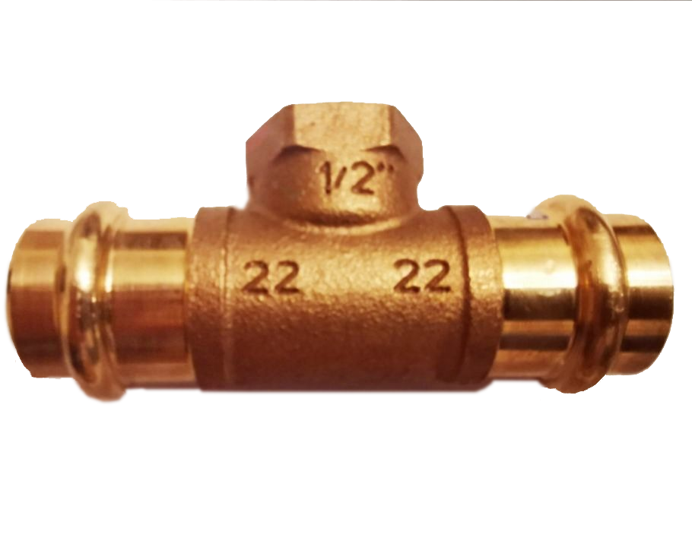
 | 18 x 1/2 x 18 | GP4130-181218 | 5 | 100 | 13.15 | 11.84 | 295.88
 | 22 x 1/2 x 22 | GP4130-221222 | 5 | 80 | 13.42 | 12.08 | 301.95
 | 22 x 3/4 x 22 | GP4130-223422 | 5 | 60 | 19.80 | 17.82 | 445.50
 | 28 x 1/2 x 28 | GP4130-281228 | 5 | 60 | 20.60 | 18.54 | 463.50
 | 28 x 3/4 x 28 | GP4130-283428 | 5 | 50 | 26.27 | 23.64 | 591.08
 | 35 x 1/2 x 35 | GP4130-351235 | 2 | 50 | 28.37 | 25.53 | 638.33
 | 42 x 1/2 x 42 | GP4130-421242 | 2 | 30 | 37.44 | 33.70 | 842.40
 | 54 x 1/2 x 54 | GP4130-541254 | 2 | 20 | 46.87 | 42.18 | 1,054.58
Spojka | (GP4355)
 | 15 x 1/2" | GP4355-1512 | 5 | 120 | 7.24 | 6.52 | 162.90
 | 15 x 3/4" | GP4355-1534 | 5 | 100 | 7.39 | 6.65 | 166.28
 | 18 x 3/4" | GP4355-1834 | 5 | 100 | 7.70 | 6.93 | 173.25
 | 22 x 3/4" | GP4355-2234 | 5 | 80 | 8.89 | 8.00 | 200.03
 | 22 x 1" | GP4355-221 | 5 | 80 | 8.50 | 7.65 | 191.25
 | 28 x 1 1/4" | GP4355-28114 | 5 | 50 | 14.37 | 12.93 | 323.33
 | 35 x 1 1/2" | GP4355-35112 | 5 | 50 | 20.85 | 18.77 | 469.13
Spojka | (GP4331)
 | 15 x 1/2' MI | GP4331-1512 | 5 | 80 | 15.29 | 13.76 | 344.03
 | 15 x 3/4' MI | GP4331-1534 | 5 | 50 | 28.64 | 25.78 | 644.40
 | 18 x 1/2' MI | GP4331-1812 | 5 | 50 | 23.18 | 20.86 | 521.55
 | 18 x 3/4' MI | GP4331-1834 | 5 | 50 | 29.87 | 26.88 | 672.08
 | 22 x 3/4" MI | GP4331-2234 | 5 | 50 | 27.82 | 25.04 | 625.95
 | 28 x 1" MI | GP4331-281 | 5 | 30 | 34.00 | 30.60 | 765.00
Spojka | (GP4330)

 | 12 x 12 | GP4330-1212 |  |  | 23.80 | 21.42 | 535.50
 | 15 x 15 | GP4330-1515 |  |  | 32.42 | 29.18 | 729.45
 | 18 x 18 | GP4330-1818 |  |  | 35.45 | 31.90 | 797.62
 | 22 x 22 | GP4330-2222 |  |  | 39.25 | 35.33 | 883.13
 | 28 x 28 | GP4330-2828 |  |  | 43.66 | 39.29 | 982.35
 | 35x35 | GP4330-3535 |  |  | 44.70 | 40.23 | 1,005.75
 | 42x42 | GP4330-4242 |  |  | 64.20 | 57.78 | 1,444.50
 | 54x54 | GP4330-5454 |  |  | 102.30 | 92.07 | 2,301.75
Spojka | (GP4280)
 | 12 x 1/2' Male x MI | GP4280-1212 | 10 | 120 | 3.97 | 3.57 | 89.33
 | 15 x 1/2' Male x MI | GP4280-1512 | 10 | 120 | 4.08 | 3.67 | 91.80
 | 18 x 1/2' Male x MI | GP4280-1812 | 10 | 120 | 4.30 | 3.87 | 96.75
 | 22 x 1/2' Male x MI | GP4280-2212 | 10 | 120 | 4.41 | 3.97 | 99.23
 | 22 x 3/4" Male x MI | GP4280-2234 | 10 | 80 | 7.81 | 7.03 | 175.73
 | 28 x 1" Male x MI | GP4280-281 | 10 | 80 | 8.83 | 7.95 | 198.68
Spojka | (GP4281)
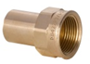
 | 12 x 1/2' Male x FI | GP4281-1212 | 10 | 120 | 4.08 | 3.67 | 91.80
 | 15 x 1/2' Male x FI | GP4281-1512 | 10 | 120 | 4.27 | 3.84 | 96.07
 | 18 x 1/2' Male x FI | GP4281-1812 | 10 | 120 | 4.41 | 3.97 | 99.23
 | 22 x 1/2' Male x FI | GP4281-2212 | 10 | 120 | 7.55 | 6.80 | 169.88
 | 22 x 3/4" Male x FI | GP4281-2234 | 10 | 80 | 8.32 | 7.49 | 187.20
 | 28 x 3/4" Male x FI | GP4281-2834 | 10 | 80 | 8.57 | 7.71 | 192.83
 | 28 x 1" Male x FI | GP4281-281 | 10 | 80 | 13.31 | 11.98 | 299.48
Nástěnková sestava | (GP4977)
 | 15 x 1/2" x 100 FI | GP4977-15.1/2.100 | 1 | 20 | 22.01 | 19.81 | 495.23
 | 15 x 1/2" x 150 FI | GP4977-15.1/2.150 | 1 | 20 | 22.66 | 20.39 | 509.85

