Ceník od 1. července 2025
ČSN EN 1254-7 | Velkoobchodní ceník tvarovek z mědi a jejích slitin |  | GUTPRESS | Řada | Press | V Profil | PLYN

 | Ceny bez DPH
 | ATV Praha s.r.o.
 | Sobotecká 2359/3, 101 00 Praha 10 - Vinohrady
 | Tel.: 270 005 492, 602 374 230
 | IČ: 04023854, DIČ: CZ04023854
 | objednavky@atvpraha.cz, www.atvpraha.cz
Kurz dle ČNB ke dni přijetí objednávky : |  | https://www.cnb.cz/cs/ |  |  | brutto cenik | rabat % | kurz 1€=CZK
Rabat : | Stanoven indivuálně |  |  |  |  | 10.0 | 10.00
Obrázek tvarovky pojmenování tvarovky | Rozměr tvarovky | Číslo výrobku BESCO | Kusů v sáčku | Kusů v krabici | BRUTTO EUR | NETTO EUR | NETTO CZK
Spojka | (GPG5270)
 | 15 x 15 | GPG5270-15 | 10 | 150 | 2.76 | 2.48 | 24.84
 | 18 x 18 | GPG5270-18 | 10 | 120 | 3.57 | 3.21 | 32.13
 | 22 x 22 | GPG5270-22 | 10 | 80 | 4.22 | 3.80 | 37.98
 | 28 x 28 | GPG5270-28 | 10 | 60 | 8.33 | 7.50 | 74.97
 | 35 x 35 | GPG5270-35 | 4 | 32 | 9.89 | 8.90 | 89.01
 | 42 x 42 | GPG5270-42 | 5 | 15 | 18.28 | 16.45 | 164.52
 | 54 x 54 | GPG5270-54 | 2 | 8 | 24.89 | 22.40 | 224.01
Spojka přesuvná | (GPG5270S)
 | 15 x 15 | GPG5270S-15 | 10 | 80 | 6.13 | 5.52 | 55.17
 | 18 x 18 | GPG5270S-18 | 10 | 60 | 7.17 | 6.45 | 64.53
 | 22 x 22 | GPG5270S-22 | 10 | 50 | 8.43 | 7.59 | 75.87
 | 28 x 28 | GPG5270S-28 | 10 | 30 | 12.85 | 11.57 | 115.65
 | 35 x 35 | GPG5270S-35 | 4 | 20 | 18.63 | 16.77 | 167.67
 | 42 x 42 | GPG5270S-42 | 4 | 12 | 25.37 | 22.83 | 228.33
 | 54 x 54 | GPG5270S-54 | 4 | 8 | 33.02 | 29.72 | 297.18
Oblouk 90° i/i | (GPG5002)
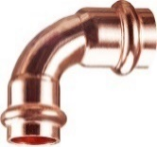
 | 15 x 15 | GPG5002-15 | 10 | 120 | 2.97 | 2.67 | 26.73
 | 18 x 18 | GPG5002-18 | 10 | 80 | 3.89 | 3.50 | 35.01
 | 22 x 22 | GPG5002-22 | 10 | 50 | 5.01 | 4.51 | 45.09
 | 28 x 28 | GPG5002-28 | 5 | 30 | 10.10 | 9.09 | 90.90
 | 35 x 35 | GPG5002-35 | 2 | 16 | 19.44 | 17.50 | 174.96
 | 42 x 42 | GPG5002-42 | 2 | 10 | 35.69 | 32.12 | 321.21
 | 54 x 54 | GPG5002-54 | 2 | 6 | 56.32 | 50.69 | 506.88
Oblouk 90° i/a | (GPG5001)
 | 15 x 15 | GPG5001-15 | 10 | 120 | 2.95 | 2.66 | 26.55
 | 18 x 18 | GPG5001-18 | 10 | 80 | 4.10 | 3.69 | 36.90
 | 22 x 22 | GPG5001-22 | 10 | 50 | 4.96 | 4.46 | 44.64
 | 28 x 28 | GPG5001-28 | 5 | 30 | 10.86 | 9.77 | 97.74
 | 35 x 35 | GPG5001-35 | 2 | 16 | 21.00 | 18.90 | 189.00
 | 42 x 42 | GPG5001-42 | 2 | 10 | 36.29 | 32.66 | 326.61
 | 54 x 54 | GPG5001-54 | 2 | 6 | 57.29 | 51.56 | 515.61
Oblouk 45° i/i | (GPG5041)
 | 15 x 15 | GPG5041-15 | 10 | 120 | 3.16 | 2.84 | 28.44
 | 18 x 18 | GPG5041-18 | 10 | 100 | 4.02 | 3.62 | 36.18
 | 22 x 22 | GPG5041-22 | 10 | 60 | 4.61 | 4.15 | 41.49
 | 28 x 28 | GPG5041-28 | 5 | 40 | 11.93 | 10.74 | 107.37
 | 35 x 35 | GPG5041-35 | 4 | 20 | 20.09 | 18.08 | 180.81
 | 42 x 42 | GPG5041-42 | 2 | 12 | 32.99 | 29.69 | 296.91
 | 54 x 54 | GPG5041-54 | 2 | 8 | 47.99 | 43.19 | 431.91
Oblouk 45° i/a | (GPG5040)
 | 15 x 15 | GPG5040-15 | 10 | 120 | 2.95 | 2.66 | 26.55
 | 18 x 18 | GPG5040-18 | 10 | 100 | 3.70 | 3.33 | 33.30
 | 22 x 22 | GPG5040-22 | 10 | 60 | 4.22 | 3.80 | 37.98
 | 28 x 28 | GPG5040-28 | 5 | 40 | 11.93 | 10.74 | 107.37
 | 35 x 35 | GPG5040-35 | 4 | 20 | 19.12 | 17.21 | 172.08
 | 42 x 42 | GPG5040-42 | 5 | 15 | 33.98 | 30.58 | 305.82
 | 54 x 54 | GPG5040-54 | 2 | 8 | 50.65 | 45.59 | 455.85
Redukovaná spojka | (GPG5240)
 | 18 x 15 | GPG5240-18.15 | 10 | 120 | 5.19 | 4.67 | 46.71
 | 22 x 15 | GPG5240-22.15 | 10 | 100 | 10.60 | 9.54 | 95.40
 | 22 x 18 | GPG5240-22.18 | 10 | 100 | 10.81 | 9.73 | 97.29
 | 28 x 15 | GPG5240-28.15 | 10 | 80 | 12.20 | 10.98 | 109.80
 | 28 x 18 | GPG5240-28.18 | 10 | 80 | 12.30 | 11.07 | 110.70
 | 28 x 22 | GPG5240-28.22 | 10 | 60 | 12.41 | 11.17 | 111.69
 | 35 x 22 | GPG5240-35.22 | 5 | 40 | 20.48 | 18.43 | 184.32
 | 35 x 28 | GPG5240-35.28 | 5 | 40 | 20.72 | 18.65 | 186.48
 | 42 x 35 | GPG5240-42.35 | 4 | 28 | 26.99 | 24.29 | 242.91
 | 54 x 42 | GPG5240-54.42 | 2 | 12 | 30.30 | 27.27 | 272.70
Redukce | (GPG5243)
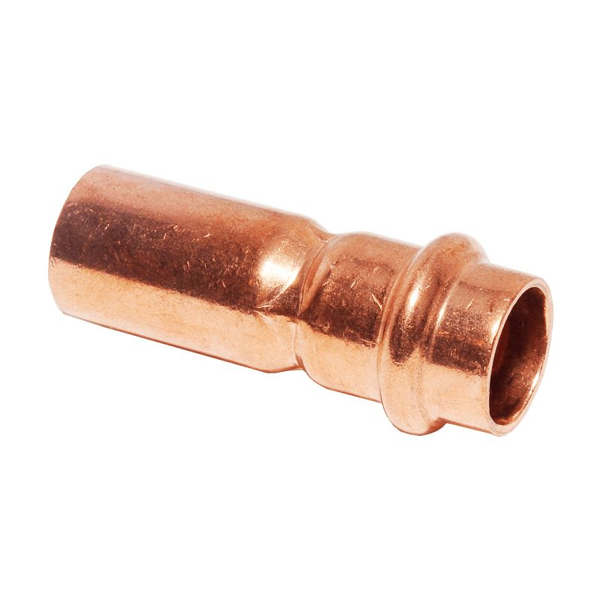
 | 18 x 15 | GPG5243-18.15 | 10 | 120 | 2.89 | 2.60 | 26.01
 | 22 x 15 | GPG5243-22.15 | 10 | 100 | 3.12 | 2.81 | 28.08
 | 22 x 18 | GPG5243-22.18 | 10 | 100 | 3.50 | 3.15 | 31.50
 | 28 x 15 | GPG5243-28.15 | 10 | 80 | 7.46 | 6.71 | 67.14
 | 28 x 18 | GPG5243-28.18 | 10 | 80 | 7.88 | 7.09 | 70.92
 | 28 x 22 | GPG5243-28.22 | 10 | 60 | 7.78 | 7.00 | 70.02
 | 35 x 22 | GPG5243-35.22 | 5 | 40 | 9.72 | 8.75 | 87.48
 | 35 x 28 | GPG5243-35.28 | 5 | 40 | 10.53 | 9.48 | 94.77
 | 42 x 22 | GPG5243-42.22 | 4 | 32 | 17.82 | 16.04 | 160.38
 | 42 x 28 | GPG5243-42.28 | 4 | 32 | 16.92 | 15.23 | 152.28
 | 42 x 35 | GPG5243-42.35 | 4 | 32 | 17.24 | 15.52 | 155.16
 | 54 x 28 | GPG5243-54.28 | 2 | 12 | 24.86 | 22.37 | 223.74
 | 54 x 35 | GPG5243-54.35 | 2 | 12 | 24.94 | 22.45 | 224.46
 | 54 x 42 | GPG5243-54.42 | 2 | 12 | 25.02 | 22.52 | 225.18
T-kus | (GPG5130)
 | 15 x 15 x 15 | GPG5130-15 | 10 | 60 | 4.57 | 4.11 | 41.13
 | 18 x 18 x 18 | GPG5130-18 | 10 | 50 | 5.74 | 5.17 | 51.66
 | 22 x 22 x 22 | GPG5130-22 | 10 | 30 | 7.85 | 7.06 | 70.65
 | 28 x 28 x 28 | GPG5130-28 | 5 | 20 | 15.12 | 13.61 | 136.08
 | 35 x 35 x 35 | GPG5130-35 | 2 | 12 | 25.60 | 23.04 | 230.40
 | 42 x 42 x 42 | GPG5130-42 | 2 | 8 | 47.37 | 42.63 | 426.33
 | 54 x 54 x 54 | GPG5130-54 | 1 | 5 | 63.28 | 56.95 | 569.52
T-kus redukovaný | (GPG5130)
 | 18 x 15 x 18 | GPG5130-18.15.18 | 10 | 60 | 7.28 | 6.55 | 65.52
 | 22 x 15 x 15 | GPG5130-22.15.15 | 10 | 40 | 12.98 | 11.68 | 116.82
 | 22 x 15 x 22 | GPG5130-22.15.22 | 10 | 40 | 7.99 | 7.19 | 71.91
 | 22 x 18 x 22 | GPG5130-22.18.22 | 10 | 40 | 9.50 | 8.55 | 85.50
 | 22 x 22 x 15 | GPG5130-22.22.15 | 10 | 40 | 13.68 | 12.31 | 123.12
 | 28 x 15 x 28 | GPG5130-28.15.28 | 10 | 30 | 16.89 | 15.20 | 152.01
 | 28 x 18 x 28 | GPG5130-28.18.28 | 10 | 30 | 18.36 | 16.52 | 165.24
 | 28 x 22 x 28 | GPG5130-28.22.28 | 10 | 30 | 17.79 | 16.01 | 160.11
 | 35 x 15 x 35 | GPG5130-35.15.35 | 4 | 20 | 26.28 | 23.65 | 236.52
 | 35 x 18 x 35 | GPG5130-35.18.35 | 4 | 20 | 26.17 | 23.55 | 235.53
 | 35 x 22 x 35 | GPG5130-35.22.35 | 4 | 20 | 26.10 | 23.49 | 234.90
 | 35 x 28 x 35 | GPG5130-35.28.35 | 4 | 16 | 26.39 | 23.75 | 237.51
 | 42 x 15 x 42 | GPG5130-42.15.42 | 4 | 12 | 42.51 | 38.26 | 382.59
 | 42 x 22 x 42 | GPG5130-42.22.42 | 4 | 12 | 42.68 | 38.41 | 384.12
 | 42 x 28 x 42 | GPG5130-42.28.42 | 4 | 8 | 46.09 | 41.48 | 414.81
 | 42 x 35 x 42 | GPG5130-42.35.42 | 2 | 10 | 46.82 | 42.14 | 421.38
 | 54 x 22 x 54 | GPG5130-54.22.54 | 1 | 8 | 57.50 | 51.75 | 517.50
 | 54 x 28 x 54 | GPG5130-54.28.54 | 1 | 8 | 61.99 | 55.79 | 557.91
 | 54 x 35 x 54 | GPG5130-54.35.54 | 1 | 8 | 65.21 | 58.69 | 586.89
 | 54 x 42 x 42 | GPG5130-54.42.42 | 1 | 6 | 72.95 | 65.66 | 656.55
 | 54 x 42 x 54 | GPG5130-54.42.54 | 1 | 5 | 71.67 | 64.50 | 645.03
Zátka | (GPG5301)
 | 15 x 15 | GPG5301-15 | 10 | 300 | 5.19 | 4.67 | 46.71
 | 18 x 18 | GPG5301-18 | 10 | 200 | 7.29 | 6.56 | 65.61
 | 22 x 22 | GPG5301-22 | 10 | 150 | 8.93 | 8.04 | 80.37
 | 28 x 28 | GPG5301-28 | 10 | 100 | 18.04 | 16.24 | 162.36
 | 35 x 35 | GPG5301-35 | 5 | 60 | 20.24 | 18.22 | 182.16
 | 42 x 42 | GPG5301-42 | 5 | 35 | 25.75 | 23.18 | 231.75
 | 54 x 54 | GPG5301-54 | 5 | 20 | 29.93 | 26.94 | 269.37
Červený bronz -Oblouk 90° i | (GPG4090)
 | 15 x 1/2 | GPG4090-1512 | 10 | 80 | 9.72 | 8.75 | 87.48
 | 18 x 1/2 | GPG4090-1812 | 10 | 80 | 11.52 | 10.37 | 103.68
 | 18 x 3/4 | GPG4090-1834 | 10 | 80 | 13.21 | 11.89 | 118.89
 | 22 x 3/4 | GPG4090-2234 | 10 | 40 | 16.61 | 14.95 | 149.49
 | 28 x 1 | GPG4090-281 | 5 | 30 | 25.92 | 23.33 | 233.28
Červený bronz - Oblouk 90° a | (GPG4092)
 | 15 x 1/2 | GPG4092-1512 | 10 | 80 | 10.65 | 9.59 | 95.85
 | 18 x 1/2 | GPG4092-1812 | 10 | 80 | 12.61 | 11.35 | 113.49
 | 18 x 3/4 | GPG4092-1834 | 10 | 80 | 13.50 | 12.15 | 121.50
 | 22 x 3/4 | GPG4092-2234 | 10 | 40 | 19.59 | 17.63 | 176.31
 | 28 x 1 | GPG4092-281 | 5 | 30 | 30.96 | 27.86 | 278.64
Červený bronz - Nástěnné koleno 90° | (GPG4471)
 | 15 x 1/2 | GP4471-1512 | 10 | 60 | 3.46 | 3.11 | 31.10
 | 18 x 1/2 | GP4471-1812 | 10 | 30 | 5.77 | 5.20 | 51.95
 | 22 x 3/4 | GP4471-2234 | 10 | 30 | 6.91 | 6.22 | 62.21

Červený bronz - Přechod i/i | (GPG4270)
 | 15 x 1/2 | GPG4270-1512 | 10 | 120 | 4.31 | 3.88 | 38.79
 | 15 x 3/4 | GPG4270-1534 | 10 | 100 | 8.70 | 7.83 | 78.30
 | 18 x 1/2 | GPG4270-1812 | 10 | 100 | 5.80 | 5.22 | 52.20
 | 18 x 3/4 | GPG4270-1834 | 10 | 100 | 7.91 | 7.12 | 71.19
 | 22 x 1/2 | GPG4270-2212 | 10 | 100 | 7.05 | 6.35 | 63.45
 | 22 x 3/4 | GPG4270-2234 | 10 | 100 | 6.99 | 6.29 | 62.91
 | 22 x 1 | GPG4270-221 | 10 | 100 | 10.21 | 9.19 | 91.89
 | 28 x 3/4 | GPG4270-2834 | 5 | 100 | 12.01 | 10.81 | 108.09
 | 28 x 1 | GPG4270-281 | 10 | 50 | 11.41 | 10.27 | 102.69
 | 28 x 1 1/4 | GPG4270-28114 |  | 50 | 27.90 | 25.11 | 251.10
 | 35 x 1 | GPG4270-351 |  | 20 | 16.51 | 14.86 | 148.59
 | 35 x 1 1/4 | GPG4270-35114 |  | 20 | 27.90 | 25.11 | 251.10
 | 42 x 1 1/4 | GPG4270-42114 | 1 | 20 | 31.98 | 28.78 | 287.82
 | 42 x 1 1/2 | GPG4270-42112 | 1 | 20 | 41.10 | 36.99 | 369.90
 | 54 x 2 | GPG4270-542 | 1 | 12 | 69.00 | 62.10 | 621.00
Červený bronz - Přechod a/i | (GPG4243)
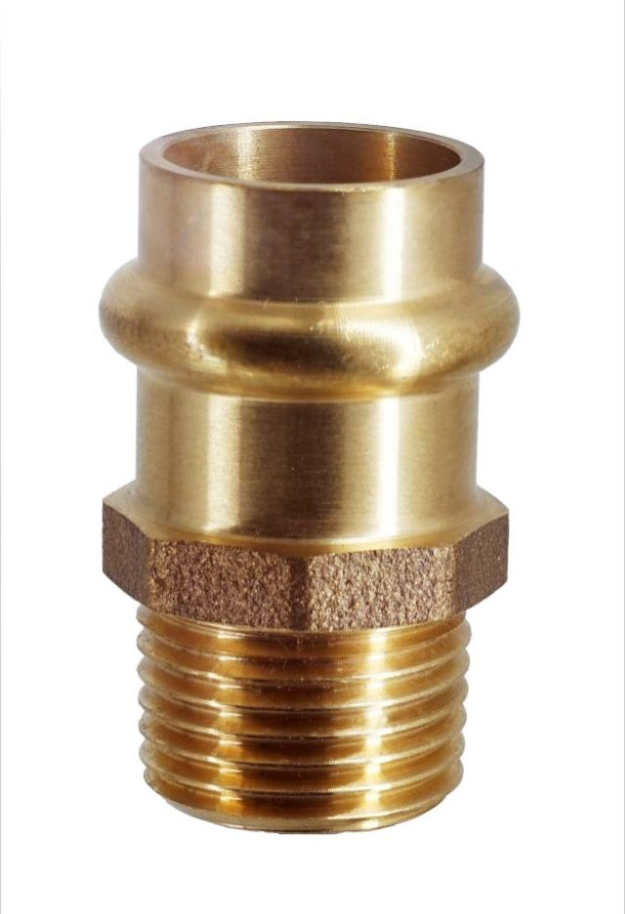
 | 15 x 1/2 | GPG4243-1512 | 10 | 150 | 3.68 | 3.31 | 33.12
 | 15 x 3/4 | GPG4243-1534 | 10 | 100 | 5.29 | 4.76 | 47.61
 | 18 x 1/2 | GPG4243-1812 | 10 | 100 | 4.57 | 4.11 | 41.13
 | 18 x 3/4 | GPG4243-1834 | 10 | 100 | 5.50 | 4.95 | 49.50
 | 22 x 1/2 | GPG4243-2212 | 10 | 100 | 7.20 | 6.48 | 64.80
 | 22 x 3/4 | GPG4243-2234 | 10 | 80 | 6.21 | 5.59 | 55.89
 | 22 x 1 | GPG4243-221 | 10 | 60 | 9.34 | 8.41 | 84.06
 | 28 x 3/4 | GPG4243-2834 | 5 | 80 | 12.61 | 11.35 | 113.49
 | 28 x 1 | GPG4243-281 | 10 | 50 | 11.59 | 10.43 | 104.31
 | 28 x 1 1/4" | GPG4243-28114 | 5 | 60 | 21.87 | 19.68 | 196.83
 | 35 x 1 | GPG4243-351 | 5 | 80 | 21.37 | 19.23 | 192.33
 | 35 x 1 1/4 | GPG4243-35114 | 1 | 60 | 26.83 | 24.15 | 241.47
 | 42 x 1 1/4 | GPG4243-42114 | 1 | 20 | 35.40 | 31.86 | 318.60
 | 42 x 1 1/2 | GPG4243-42112 | 1 | 20 | 36.00 | 32.40 | 324.00
 | 54 x 2 | GPG4243-542 | 1 | 10 | 61.21 | 55.09 | 550.89
T-kus | (GPG4130)
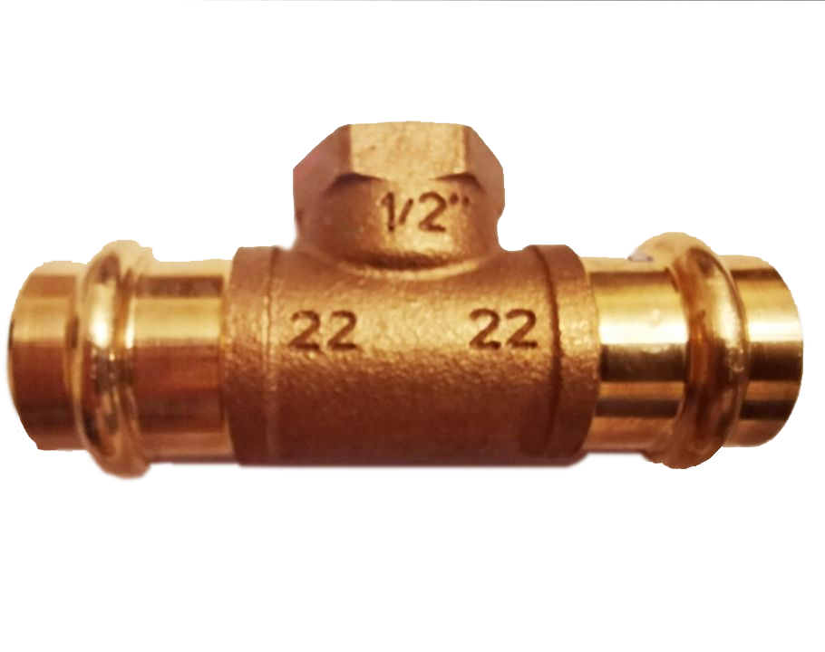
 | 15 x 1/2 x 15 | GPG4130-151215 | 5 | 60 | 12.90 | 11.61 | 116.10
 | 18 x 1/2 x 18 | GPG4130-181218 | 5 | 40 | 17.05 | 15.35 | 153.45
 | 22 x 1/2 x 22 | GPG4130-221222 | 5 | 40 | 17.44 | 15.70 | 156.96
 | 22 x 3/4 x 22 | GPG4130-223422 | 5 | 30 | 25.33 | 22.80 | 227.97
 | 28 x 1/2 x 28 | GPG4130-281228 | 5 | 20 | 26.02 | 23.42 | 234.18
 | 28 x 3/4 x 28 | GPG4130-283428 | 5 | 20 | 33.65 | 30.29 | 302.85
 | 35 x 1/2 x 35 | GPG4130-351235 | 2 | 10 | 37.26 | 33.53 | 335.34

